DSHS contacts
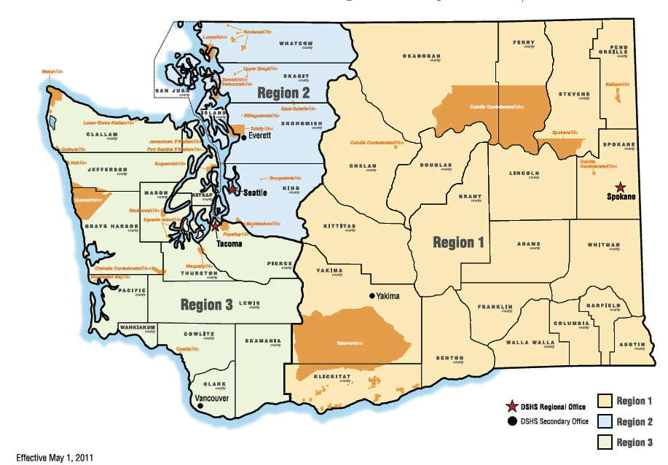
Submit completed quarterly reports to:
Suemary Trobaugh, MPA / RCL Quality Improvement Specialist
Office phone: (360)725-2557
trobas@dshs.wa.gov

Samantha Tippery, MSW / Region 1 GOSH Supportive Housing Specialist
Work cell: (509)309-9435
tippesd@dshs.wa.gov

Amme Paluch / Region 1 Supportive Housing Specialist
Work cell: (564)200-2262
Amme.Paluch@dshs.wa.gov

Christine Cricchio, MSW / Region 2 GOSH Supportive Housing Specialist
Work cell: (360) 763-2689
christine.cricchio@dshs.wa.gov

Tammy Stewart, MSML / Region 3 GOSH Supportive Housing Specialist
Work cell: (360) 764-0109
StewaT@dshs.wa.gov

Emily Prather / Region 3 Supportive Housing Specialist
Work cell: (564)200-2260
Emily.Prather@dshs.wa.gov

Whitney Joy Howard, MSW / Lead Supportive Housing Specialist
Work cell: (360)791-2358
howarwj@dshs.wa.gov

pword:123456

