Instructions
Steps:
1. Enter the requested client and agency information on the Agency and Client tab.
2. Enter details of the dates, times, and services provided on the Services tab.
3. The Report tab will display the information you entered on the previous tabs.
4. When you are ready to file your report, select File, Save As Adobe PDF. Make sure that only the Report tab is selected.
5. Save the PDF file with your agency name, client initials and month, year of report (e.g. Amazingagency ABC 2023.05).
6. Email the Adobe PDF to your GOSH PM.
Steps:
1. On the Agency and Client tab enter the requested client & agency information.
2. On the Services tab enter details of the dates, times, and services provided.
3. The Report tab will display the information you entered on the previous tabs.
4. When you are ready to file your report, you must pdf the Report tab and email the pdf file. Do not send the Excel Workbook.
5. Select File, Save As Adobe PDF and select the Report tab.
6. Save the PDF file with your agency name, client initials and month, year of report (e.g. Amazingagency ABC 2023.05).
7. Email the Adobe PDF to your GOSH PM.
General Instructions GOSH Monthly Activty Report |  | Look Up Categories, Report Periods, Due Dates, and Detailed Instructions
 |  |  | Description of the Service Categories Fields
 |  | Category: | 1. In-person meeting with client

 |  | Definition: | Provided services in-person, directly with client. Pre-tenancy or tenancy. Example, home visit; in-person visit at facility.

 |  | Month Reported: | 2023-06-01

 |  | Due Date: | July 15th

 |  | Instructions: | Agency MAR Instructions
 |  | Instructions:
 | DSHS contacts'!A1 | Form release date: MARS EXCEL 2023.06

Agency & Client info
Report Agency and Client
Client name (Last, First ) | Client's DSHS ACES ID | Month you are reporting (select from list) | Date you will file MARs with GOSH PM (MM/DD/YYYY) | Date Client's GASP last updated (MM/DD/YYY)

Contractor (select from list or write in name) | Rate (Select from list) | Date of tenancy (if applicable) (MM/DD/YYYY) | Name of agency staff completing form | Agency contact email

Agency supervisor name | Supervisor reviewed? (Select Yes or No) | Number of client in-person visits | Client contact minutes
 |  | 0 | 0
Please be aware that you are indicating whether the supervisor reviewed: 1)services provided, 2) client contact time, and 3) number of client visits.
Please be aware that these totals of in-person visits and client contact minutes are generated from the next tab where you report services. If you have not entered service activity, these cells will be blank. On the Services tab you are indicating the in-person visits, and whether staff contacted the client.

DSHS contacts
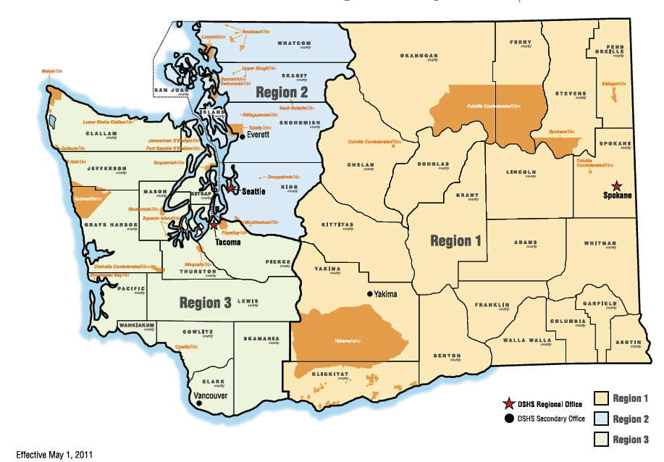
ProviderOne Help Desk:
MMISHelp@HCA.WA.GOV

Michael Christie / Region 1 GOSH Supportive Housing Specialist
Work cell: (564)-200-2188
michael.christie@dshs.wa.gov

Amme Paluch / Region 1 Supportive Housing Specialist
Work cell: (564)200-2262
Amme.Paluch@dshs.wa.gov

Christine Cricchio, MSW / Region 2 GOSH Supportive Housing Specialist
Work cell: (360) 763-2689
christine.cricchio@dshs.wa.gov

Tammy Stewart, MSML / Region 3 GOSH Supportive Housing Specialist
Work cell: (360) 764-0109
StewaT@dshs.wa.gov

Emily Prather / Region 3 Supportive Housing Specialist
Work cell: (564)200-2260
Emily.Prather@dshs.wa.gov

Whitney Joy Howard, MSW /Supportive Housing Unit Manager
Work cell: (360)791-2358
howarwj@dshs.wa.gov

Questions on using the workbook? Contact:
Suemary Trobaugh, MPA / RCL Quality Improvement Specialist
Office cell: (564)669-1184
trobas@dshs.wa.gov
pword:123456

