Technical Updates and Notes
Technical Updates and Notes

NOTE: There are significant changes in this latest iteration of Age Wave trend forecasts, relative to those released in 2021. There are many contributing reasons for this. Below is a brief overview. | Table: Previous vs Current Release Examples of Significant Changes
Overview: Previous estimates used the best information and methods available at the time. Most of the data used, in particular the American Community Survey Data (2015-2019), was collected before the COVID-19 pandemic. The pandemic certainly impacted the health and mortality of Washingtonians and the OFM population projections that underlay all of our tables (summarized in row 1 in the table to the right). The ACS data used for this release are the 5-Year 2019-2023 PUMS, which overlaps with the pandemic and includes multiple years after the initial outbreak. We also used a different method to more directly estimate prevalence within age-gender-race and ethnicity strata. In addition to the effects of the pandemic, the methods used for previous estimates may have been overestimating counts for some populations (rows 2 and 3) while underestimating others (row 4). Previous estimates for AI/AN populations relied solely on OFM data and were limited to estimating those that only identified as AI/AN and no other race. Current methodology uses ACS data to include anybody that identifies as AI/AN, nearly doubling those estimates (rows 5 and 6). In addition to the pandemic, the LTSS service estimates (rows 7-9) are affected by methodology updates and caseload growth since benchmarks were previously established based on utilization data from 2020. In particular, the forecast now includes services for persons with intellectual and developmental disabilities (i.e., provided through DDA prior to the recent agency reorganization), rather than just ALTSA services. Previous dementia estimates relied on 2014 prevalence data. In addition to the effects of the pandemic, there has been a slight, but consistent downward trend in the prevalence of dementia in the 65+ population. This means that while the total number of people with dementia is projected to steeply increase from 2025 to 2040, each year that we get updated prevalence data, the new projections are likely to be slightly | Row | Data Source | Measure | Projected 2025 Washington State Estimate |  | Projected 2030 Washington State Estimate
 |  |  |  | Previous* | Current | Previous* | Current
 | 1 | OFM | Total Age 60+ | 2,011,228 | 1,965,965 | 2,198,588 | 2,147,433
 | 2 | ACS | Age 18+ Disability | 601,723 | 536,063 | 675,874 | 578,844
 | 3 | ACS | Age 60+ Disability | 412,952 | 375,148 | 480,512 | 409,879
 | 4 | ACS | Age 18+ with Cognitive Impairment | 373,058 | 418,057 | 408,945 | 446,117
 | 5 | ACS | Age 60+ AI/AN | 24,804 | 44,404 | 27,379 | 51,635
 | 6 | ACS | Age 60+ AI/AN with a Disability | 5,667 | 13,142 | 6,488 | 15,265
 | 7 | RDA CSDB | Nursing Home Clients | 10,859 | 9,130 | 12,972 | 10,412
 | 8 | RDA CSDB | In-Home Services Clients | 52,112 | 64,105 | 58,305 | 69,744
 | 9 | RDA CSDB | Community Residential Clients | 16,580 | 23,218 | 19,415 | 25,950
 | 10 | Medicare | Age 65+ Dementia | 150,634 | 105,223 | 18,365 | 131,171
 | * | 2021
 | Figure: Projections of Persons with Dementia 65+ years old by data vintage
 |  |  | 2025 | 2030 | 2035 | 2040
 |  | 2014 Data projections | 150,634 | 186,365
 |  | 2022 Data projections | 116,368 | 145,229 | 178,041 | 208,159
 |  | 2023 Data projections | 111,685 | 139,330 | 170,711 | 199,518

Washington State
Persons Age 60+ Are Projected to Increase by 25% from 2025 to 2040
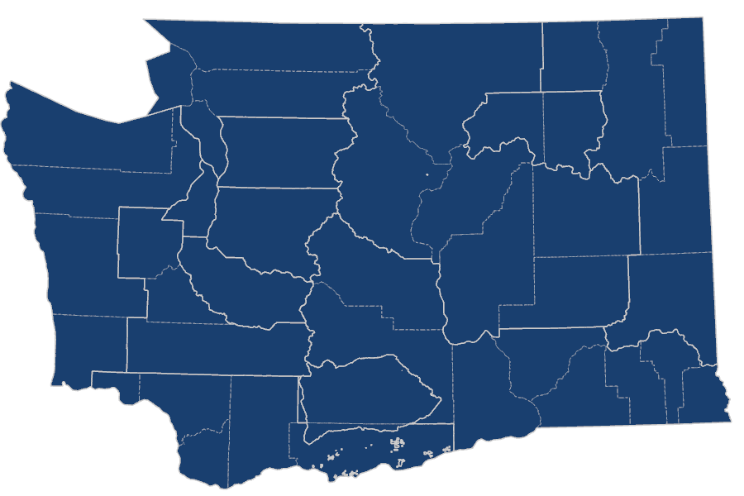 Washington State

Age | Number of persons . . . | 2025 | 2026 | 2027 | 2028 | 2029 | 2030 | 2031 | 2032 | 2033 | 2034 | 2035 | 2036 | 2037 | 2038 | 2039 | 2040 | Percent ↑
Any | Using SNF* services | 9,130 | 9,352 | 9,587 | 9,837 | 10,108 | 10,412 | 10,703 | 10,975 | 11,234 | 11,492 | 11,768 | 12,050 | 12,335 | 12,619 | 12,901 | 13,180 | 44%
 | Using in-home services | 64,105 | 65,120 | 66,176 | 67,286 | 68,458 | 69,744 | 70,979 | 72,115 | 73,187 | 74,255 | 75,408 | 76,619 | 77,856 | 79,107 | 80,338 | 81,585 | 27%
 | Using community residential services | 23,218 | 23,698 | 24,205 | 24,743 | 25,318 | 25,950 | 26,555 | 27,122 | 27,662 | 28,200 | 28,772 | 29,362 | 29,962 | 30,564 | 31,158 | 31,752 | 37%
18+ | With a disability | 536,063 | 544,747 | 552,882 | 560,882 | 569,249 | 578,844 | 587,672 | 595,369 | 602,238 | 608,894 | 616,365 | 623,735 | 631,120 | 638,563 | 646,096 | 653,957 | 22%
 | With cognitive impairment | 418,057 | 423,852 | 429,465 | 434,935 | 440,385 | 446,117 | 451,544 | 456,713 | 461,615 | 466,319 | 471,129 | 475,827 | 480,461 | 485,086 | 489,362 | 493,799 | 18%
 | With an IADL** difficulty | 408,210 | 414,561 | 420,577 | 426,464 | 432,506 | 439,244 | 445,516 | 451,173 | 456,331 | 461,272 | 466,628 | 471,842 | 477,028 | 482,234 | 487,309 | 492,627 | 21%
60+ | TOTAL | 1,965,965 | 2,002,481 | 2,035,816 | 2,068,543 | 2,103,920 | 2,147,433 | 2,186,059 | 2,217,842 | 2,244,613 | 2,270,059 | 2,301,142 | 2,331,808 | 2,362,620 | 2,393,788 | 2,426,230 | 2,460,874 | 25%
 | With a disability | 375,148 | 382,160 | 388,552 | 394,830 | 401,598 | 409,879 | 417,215 | 423,271 | 428,392 | 433,247 | 439,144 | 444,969 | 450,812 | 456,722 | 462,875 | 469,444 | 25%
 | With cognitive impairment | 170,867 | 174,062 | 176,977 | 179,840 | 182,932 | 186,722 | 190,093 | 192,879 | 195,235 | 197,470 | 200,186 | 202,867 | 205,562 | 208,291 | 211,134 | 214,164 | 25%
 | With an IADL difficulty | 242,525 | 247,197 | 251,466 | 255,659 | 260,169 | 265,657 | 270,583 | 274,686 | 278,186 | 281,504 | 285,484 | 289,392 | 293,322 | 297,299 | 301,434 | 305,833 | 26%
 | At or below EESSI*** | 354,947 | 361,849 | 368,165 | 374,373 | 381,058 | 389,211 | 396,566 | 402,692 | 407,911 | 412,874 | 418,849 | 424,672 | 430,537 | 436,481 | 442,663 | 449,241 | 27%
 | At or below 100% FPL**** | 195,141 | 199,198 | 202,724 | 205,983 | 209,399 | 213,919 | 218,561 | 222,626 | 226,252 | 229,800 | 233,653 | 237,722 | 242,098 | 246,705 | 251,548 | 256,587 | 31%
 | People of color | 344,465 | 359,976 | 374,844 | 389,622 | 405,150 | 422,888 | 442,526 | 460,649 | 477,420 | 493,731 | 511,766 | 529,214 | 547,302 | 565,994 | 585,251 | 605,027 | 76%
 | People of color at or below 100% FPL | 44,165 | 46,264 | 48,240 | 50,133 | 52,031 | 54,144 | 56,646 | 59,003 | 61,236 | 63,450 | 65,804 | 68,181 | 70,612 | 73,125 | 75,765 | 78,622 | 78%
 | American Indian/Alaska Native (AI/AN) | 44,404 | 45,840 | 47,196 | 48,538 | 49,959 | 51,635 | 53,301 | 54,796 | 56,150 | 57,470 | 59,000 | 60,620 | 62,288 | 64,015 | 65,797 | 67,632 | 52%
 | AI/AN with a disability | 13,142 | 13,564 | 13,962 | 14,358 | 14,777 | 15,265 | 15,754 | 16,193 | 16,591 | 16,978 | 17,423 | 17,894 | 18,382 | 18,889 | 19,416 | 19,962 | 52%
 | With limited English proficiency | 84,605 | 87,271 | 89,790 | 92,286 | 94,931 | 98,029 | 101,345 | 104,328 | 107,037 | 109,649 | 112,564 | 115,261 | 118,054 | 120,929 | 123,902 | 126,981 | 50%
65+ | With dementia | 105,223 | 109,855 | 114,774 | 119,966 | 125,423 | 131,171 | 136,998 | 142,903 | 148,910 | 155,022 | 161,214 | 167,181 | 172,926 | 178,433 | 183,802 | 189,225 | 80%

* | Skilled Nursing Facility | Link to Contents
** | Instrumental Activities of Daily Living
*** | Elder Economic Security Standard Index
**** | Federal Poverty Level

PSA1
Persons Age 60+ Are Projected to Increase by 1% from 2025 to 2040
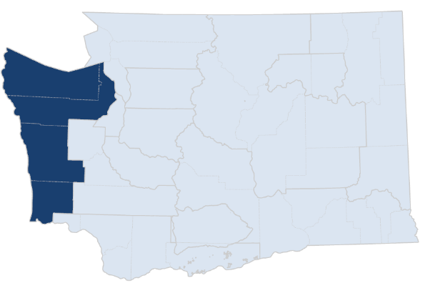 Olympic Area Agency on Aging

Age | Number of persons . . . | 2025 | 2026 | 2027 | 2028 | 2029 | 2030 | 2031 | 2032 | 2033 | 2034 | 2035 | 2036 | 2037 | 2038 | 2039 | 2040 | Percent ↑
Any | Using SNF* services | 325 | 331 | 338 | 346 | 354 | 363 | 372 | 381 | 389 | 397 | 406 | 410 | 415 | 419 | 422 | 426 | 31%
 | Using in-home services | 2,055 | 2,058 | 2,061 | 2,064 | 2,068 | 2,073 | 2,086 | 2,096 | 2,103 | 2,112 | 2,122 | 2,130 | 2,134 | 2,139 | 2,145 | 2,153 | 5%
 | Using community residential services | 402 | 407 | 412 | 419 | 425 | 433 | 440 | 447 | 454 | 461 | 468 | 472 | 475 | 479 | 482 | 485 | 21%
18+ | With a disability | 22,839 | 22,959 | 23,049 | 23,127 | 23,211 | 23,334 | 23,418 | 23,457 | 23,461 | 23,456 | 23,479 | 23,518 | 23,518 | 23,519 | 23,526 | 23,553 | 3%
 | With cognitive impairment | 16,676 | 16,787 | 16,887 | 16,978 | 17,065 | 17,159 | 17,224 | 17,282 | 17,330 | 17,371 | 17,417 | 17,475 | 17,505 | 17,537 | 17,563 | 17,601 | 6%
 | With an IADL** difficulty | 15,168 | 15,258 | 15,334 | 15,399 | 15,465 | 15,547 | 15,594 | 15,621 | 15,630 | 15,631 | 15,645 | 15,675 | 15,679 | 15,682 | 15,684 | 15,698 | 3%
60+ | TOTAL | 85,875 | 86,292 | 86,554 | 86,763 | 87,031 | 87,548 | 87,743 | 87,667 | 87,392 | 87,059 | 86,902 | 86,873 | 86,704 | 86,519 | 86,372 | 86,321 | 1%
 | With a disability | 17,448 | 17,533 | 17,588 | 17,631 | 17,687 | 17,793 | 17,832 | 17,816 | 17,760 | 17,692 | 17,659 | 17,650 | 17,611 | 17,569 | 17,536 | 17,522 | 0%
 | With cognitive impairment | 8,320 | 8,359 | 8,384 | 8,403 | 8,428 | 8,478 | 8,494 | 8,484 | 8,455 | 8,420 | 8,402 | 8,396 | 8,376 | 8,354 | 8,337 | 8,329 | 0%
 | With an IADL difficulty | 9,885 | 9,936 | 9,969 | 9,996 | 10,029 | 10,089 | 10,110 | 10,100 | 10,068 | 10,028 | 10,007 | 9,999 | 9,974 | 9,947 | 9,925 | 9,913 | 0%
 | At or below EESSI*** | 16,888 | 16,971 | 17,023 | 17,065 | 17,119 | 17,221 | 17,258 | 17,243 | 17,188 | 17,122 | 17,089 | 17,079 | 17,041 | 17,000 | 16,967 | 16,953 | 0%
 | At or below 100% FPL**** | 9,960 | 10,023 | 10,054 | 10,067 | 10,081 | 10,144 | 10,156 | 10,127 | 10,061 | 9,978 | 9,891 | 9,802 | 9,724 | 9,664 | 9,617 | 9,565 | -4%
 | People of color | 6,365 | 6,540 | 6,702 | 6,860 | 7,027 | 7,225 | 7,448 | 7,645 | 7,820 | 7,989 | 8,180 | 8,398 | 8,610 | 8,823 | 9,036 | 9,242 | 45%
 | People of color at or below 100% FPL | 530 | 537 | 543 | 547 | 552 | 560 | 567 | 572 | 576 | 578 | 581 | 583 | 587 | 592 | 598 | 603 | 14%
 | American Indian/Alaska Native (AI/AN) | 2,607 | 2,635 | 2,658 | 2,679 | 2,703 | 2,738 | 2,769 | 2,792 | 2,807 | 2,820 | 2,841 | 2,875 | 2,906 | 2,939 | 2,972 | 3,007 | 15%
 | AI/AN with a disability | 814 | 822 | 828 | 833 | 840 | 850 | 860 | 866 | 871 | 874 | 880 | 890 | 899 | 908 | 918 | 929 | 14%
 | With limited English proficiency | 370 | 374 | 377 | 379 | 382 | 386 | 388 | 389 | 389 | 389 | 389 | 390 | 390 | 390 | 391 | 392 | 6%
...

PSA2
Persons Age 60+ Are Projected to Increase by 16% from 2025 to 2040
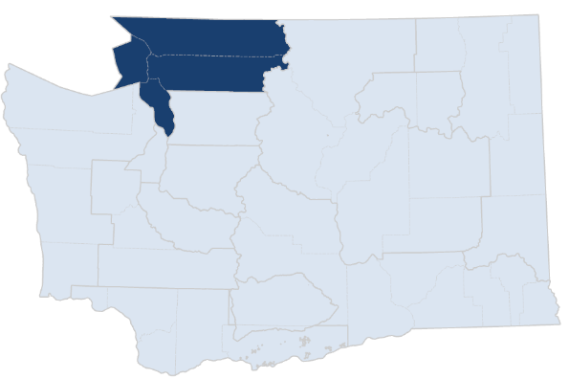 Northwest Regional Council - Aging & Disability Resources

Age | Number of persons . . . | 2025 | 2026 | 2027 | 2028 | 2029 | 2030 | 2031 | 2032 | 2033 | 2034 | 2035 | 2036 | 2037 | 2038 | 2039 | 2040 | Percent ↑
Any | Using SNF* services | 502 | 516 | 531 | 547 | 565 | 584 | 603 | 621 | 638 | 655 | 674 | 689 | 704 | 718 | 733 | 747 | 49%
 | Using in-home services | 2,767 | 2,804 | 2,841 | 2,880 | 2,920 | 2,965 | 3,008 | 3,047 | 3,084 | 3,120 | 3,160 | 3,196 | 3,233 | 3,271 | 3,307 | 3,344 | 21%
 | Using community residential services | 898 | 916 | 936 | 956 | 978 | 1,001 | 1,025 | 1,047 | 1,068 | 1,089 | 1,111 | 1,131 | 1,150 | 1,169 | 1,187 | 1,206 | 34%
18+ | With a disability | 30,746 | 31,190 | 31,595 | 31,989 | 32,399 | 32,869 | 33,272 | 33,607 | 33,896 | 34,174 | 34,491 | 34,836 | 35,174 | 35,505 | 35,839 | 36,193 | 18%
 | With cognitive impairment | 25,126 | 25,414 | 25,685 | 25,943 | 26,196 | 26,459 | 26,748 | 27,017 | 27,270 | 27,513 | 27,756 | 28,051 | 28,342 | 28,624 | 28,886 | 29,161 | 16%
 | With an IADL** difficulty | 22,903 | 23,193 | 23,459 | 23,715 | 23,975 | 24,268 | 24,547 | 24,786 | 24,998 | 25,200 | 25,419 | 25,671 | 25,918 | 26,157 | 26,387 | 26,633 | 16%
60+ | TOTAL | 146,213 | 148,181 | 149,891 | 151,530 | 153,311 | 155,575 | 157,430 | 158,801 | 159,830 | 160,765 | 162,042 | 163,476 | 164,867 | 166,224 | 167,643 | 169,223 | 16%
 | With a disability | 22,305 | 22,623 | 22,902 | 23,170 | 23,459 | 23,822 | 24,127 | 24,357 | 24,536 | 24,701 | 24,917 | 25,159 | 25,395 | 25,626 | 25,866 | 26,130 | 17%
...

PSA3
Persons Age 60+ Are Projected to Increase by 39% from 2025 to 2040
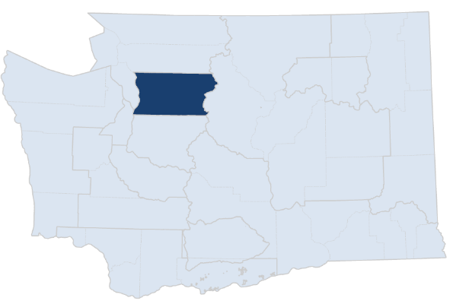 Snohomish County Long Term Care & Aging Division

Age | Number of persons . . . | 2025 | 2026 | 2027 | 2028 | 2029 | 2030 | 2031 | 2032 | 2033 | 2034 | 2035 | 2036 | 2037 | 2038 | 2039 | 2040 | Percent ↑
Any | Using SNF* services | 781 | 808 | 837 | 867 | 900 | 936 | 973 | 1,008 | 1,042 | 1,077 | 1,113 | 1,155 | 1,197 | 1,240 | 1,282 | 1,324 | 69%
 | Using in-home services | 5,894 | 6,023 | 6,158 | 6,300 | 6,450 | 6,612 | 6,772 | 6,922 | 7,067 | 7,212 | 7,366 | 7,543 | 7,723 | 7,905 | 8,085 | 8,265 | 40%
 | Using community residential services | 2,941 | 3,020 | 3,102 | 3,190 | 3,283 | 3,386 | 3,486 | 3,581 | 3,672 | 3,764 | 3,861 | 3,972 | 4,086 | 4,200 | 4,314 | 4,428 | 51%
18+ | With a disability | 55,819 | 57,059 | 58,245 | 59,422 | 60,654 | 62,048 | 63,347 | 64,516 | 65,589 | 66,641 | 67,802 | 68,941 | 70,095 | 71,264 | 72,458 | 73,700 | 32%
 | With cognitive impairment | 40,824 | 41,516 | 42,193 | 42,861 | 43,533 | 44,242 | 44,972 | 45,670 | 46,341 | 46,991 | 47,657 | 48,301 | 48,942 | 49,587 | 50,202 | 50,839 | 25%
 | With an IADL** difficulty | 42,284 | 43,166 | 44,017 | 44,859 | 45,730 | 46,695 | 47,640 | 48,513 | 49,329 | 50,122 | 50,972 | 51,790 | 52,615 | 53,451 | 54,282 | 55,149 | 30%
60+ | TOTAL | 206,153 | 211,722 | 216,992 | 222,230 | 227,811 | 234,355 | 240,273 | 245,449 | 250,079 | 254,593 | 259,804 | 264,884 | 270,053 | 275,317 | 280,788 | 286,554 | 39%
 | With a disability | 41,337 | 42,451 | 43,503 | 44,549 | 45,663 | 46,964 | 48,145 | 49,181 | 50,113 | 51,019 | 52,058 | 53,074 | 54,108 | 55,160 | 56,251 | 57,400 | 39%
...

PSA4
Persons Age 60+ Are Projected to Increase by 32% from 2025 to 2040
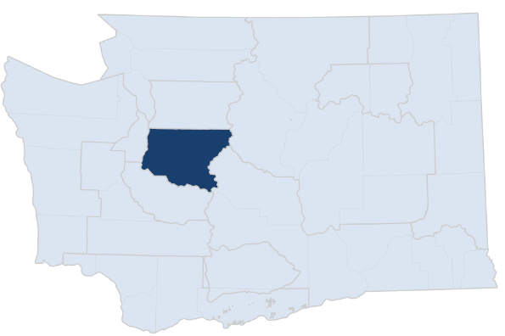 Aging & Disability Services (King County)

Age | Number of persons . . . | 2025 | 2026 | 2027 | 2028 | 2029 | 2030 | 2031 | 2032 | 2033 | 2034 | 2035 | 2036 | 2037 | 2038 | 2039 | 2040 | Percent ↑
Any | Using SNF* services | 2,451 | 2,510 | 2,573 | 2,639 | 2,712 | 2,794 | 2,873 | 2,946 | 3,015 | 3,084 | 3,158 | 3,232 | 3,306 | 3,382 | 3,457 | 3,532 | 44%
 | Using in-home services | 18,131 | 18,490 | 18,868 | 19,272 | 19,705 | 20,185 | 20,662 | 21,107 | 21,532 | 21,953 | 22,402 | 22,871 | 23,350 | 23,832 | 24,304 | 24,772 | 37%
 | Using community residential services | 5,102 | 5,212 | 5,327 | 5,449 | 5,581 | 5,727 | 5,868 | 6,000 | 6,125 | 6,249 | 6,381 | 6,509 | 6,641 | 6,773 | 6,903 | 7,032 | 38%
18+ | With a disability | 118,459 | 120,508 | 122,429 | 124,327 | 126,329 | 128,659 | 130,930 | 132,922 | 134,710 | 136,433 | 138,360 | 140,286 | 142,258 | 144,270 | 146,313 | 148,423 | 25%
 | With cognitive impairment | 100,456 | 101,962 | 103,425 | 104,859 | 106,300 | 107,826 | 109,269 | 110,643 | 111,953 | 113,200 | 114,469 | 115,571 | 116,676 | 117,786 | 118,806 | 119,851 | 19%
 | With an IADL** difficulty | 97,448 | 99,149 | 100,761 | 102,349 | 104,000 | 105,870 | 107,648 | 109,251 | 110,718 | 112,117 | 113,642 | 115,051 | 116,480 | 117,926 | 119,350 | 120,826 | 24%
60+ | TOTAL | 491,433 | 502,140 | 512,052 | 521,861 | 532,483 | 545,455 | 557,500 | 567,700 | 576,534 | 584,999 | 595,071 | 604,868 | 614,886 | 625,116 | 635,737 | 646,901 | 32%
 | With a disability | 84,227 | 86,079 | 87,794 | 89,491 | 91,324 | 93,550 | 95,599 | 97,342 | 98,857 | 100,304 | 102,014 | 103,669 | 105,361 | 107,091 | 108,891 | 110,787 | 32%
...

PSA5
Persons Age 60+ Are Projected to Increase by 30% from 2025 to 2040
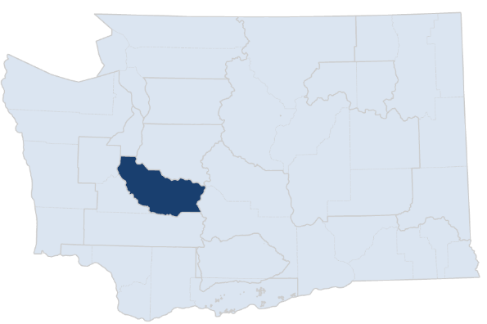 Pierce County Aging & Long Term Care

Age | Number of persons . . . | 2025 | 2026 | 2027 | 2028 | 2029 | 2030 | 2031 | 2032 | 2033 | 2034 | 2035 | 2036 | 2037 | 2038 | 2039 | 2040 | Percent ↑
Any | Using SNF* services | 1,259 | 1,288 | 1,319 | 1,351 | 1,385 | 1,425 | 1,460 | 1,492 | 1,523 | 1,553 | 1,586 | 1,626 | 1,666 | 1,707 | 1,748 | 1,789 | 42%
 | Using in-home services | 8,007 | 8,148 | 8,294 | 8,446 | 8,606 | 8,781 | 8,927 | 9,059 | 9,182 | 9,304 | 9,437 | 9,594 | 9,753 | 9,914 | 10,073 | 10,234 | 28%
 | Using community residential services | 3,574 | 3,645 | 3,718 | 3,795 | 3,877 | 3,966 | 4,045 | 4,117 | 4,185 | 4,252 | 4,324 | 4,408 | 4,494 | 4,580 | 4,667 | 4,754 | 33%
18+ | With a disability | 66,176 | 67,420 | 68,597 | 69,761 | 70,976 | 72,348 | 73,562 | 74,626 | 75,584 | 76,517 | 77,558 | 78,631 | 79,706 | 80,791 | 81,895 | 83,041 | 25%
 | With cognitive impairment | 50,558 | 51,304 | 52,025 | 52,729 | 53,433 | 54,168 | 54,910 | 55,610 | 56,275 | 56,921 | 57,576 | 58,231 | 58,877 | 59,521 | 60,131 | 60,758 | 20%
 | With an IADL** difficulty | 49,270 | 50,112 | 50,913 | 51,699 | 52,506 | 53,392 | 54,241 | 55,009 | 55,717 | 56,401 | 57,131 | 57,865 | 58,597 | 59,332 | 60,057 | 60,811 | 23%
60+ | TOTAL | 218,466 | 223,204 | 227,592 | 231,922 | 236,570 | 242,151 | 247,052 | 251,164 | 254,696 | 258,085 | 262,162 | 266,329 | 270,526 | 274,794 | 279,251 | 283,995 | 30%
 | With a disability | 45,101 | 46,099 | 47,024 | 47,936 | 48,913 | 50,082 | 51,109 | 51,975 | 52,723 | 53,440 | 54,297 | 55,182 | 56,074 | 56,981 | 57,926 | 58,929 | 31%
...

PSA6
Persons Age 60+ Are Projected to Increase by 18% from 2025 to 2040
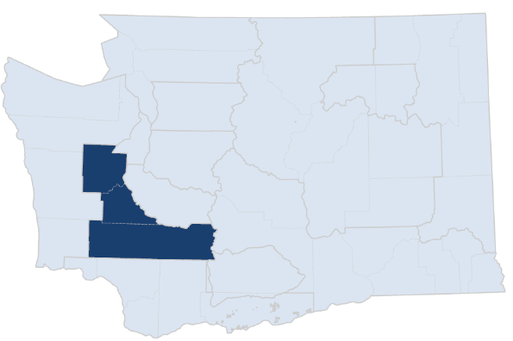 Lewis/Mason/Thurson Area Agency on Aging

Age | Number of persons . . . | 2025 | 2026 | 2027 | 2028 | 2029 | 2030 | 2031 | 2032 | 2033 | 2034 | 2035 | 2036 | 2037 | 2038 | 2039 | 2040 | Percent ↑
Any | Using SNF* services | 529 | 544 | 560 | 577 | 596 | 617 | 637 | 656 | 674 | 693 | 712 | 728 | 744 | 760 | 775 | 790 | 49%
 | Using in-home services | 3,533 | 3,575 | 3,619 | 3,663 | 3,709 | 3,759 | 3,809 | 3,854 | 3,896 | 3,938 | 3,984 | 4,026 | 4,069 | 4,113 | 4,156 | 4,201 | 19%
 | Using community residential services | 1,403 | 1,430 | 1,459 | 1,490 | 1,524 | 1,560 | 1,596 | 1,630 | 1,662 | 1,694 | 1,728 | 1,758 | 1,788 | 1,818 | 1,848 | 1,878 | 34%
18+ | With a disability | 38,735 | 39,260 | 39,744 | 40,214 | 40,702 | 41,264 | 41,785 | 42,233 | 42,628 | 43,007 | 43,431 | 43,890 | 44,350 | 44,809 | 45,269 | 45,746 | 18%
 | With cognitive impairment | 28,736 | 29,118 | 29,489 | 29,848 | 30,202 | 30,563 | 30,919 | 31,264 | 31,597 | 31,920 | 32,243 | 32,582 | 32,917 | 33,250 | 33,557 | 33,871 | 18%
 | With an IADL** difficulty | 28,979 | 29,387 | 29,771 | 30,145 | 30,523 | 30,930 | 31,316 | 31,669 | 31,996 | 32,311 | 32,643 | 32,988 | 33,331 | 33,672 | 34,003 | 34,344 | 19%
60+ | TOTAL | 131,696 | 133,449 | 134,977 | 136,446 | 138,064 | 140,165 | 142,028 | 143,448 | 144,540 | 145,538 | 146,868 | 148,416 | 149,971 | 151,529 | 153,160 | 154,918 | 18%
 | With a disability | 26,251 | 26,599 | 26,901 | 27,191 | 27,511 | 27,926 | 28,291 | 28,568 | 28,781 | 28,973 | 29,230 | 29,526 | 29,823 | 30,120 | 30,432 | 30,769 | 17%
...

PSA7
Persons Age 60+ Are Projected to Increase by 31% from 2025 to 2040
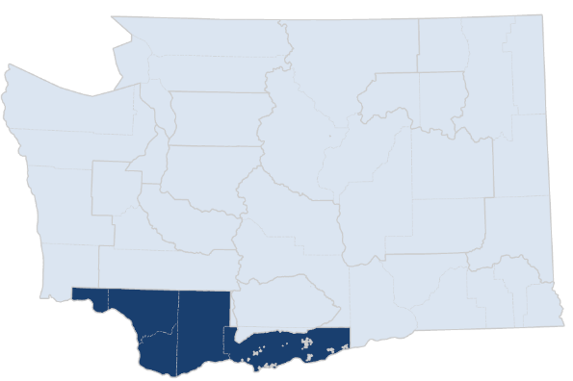 Southwest Washington Area Agency on Aging & Disabilities

Age | Number of persons . . . | 2025 | 2026 | 2027 | 2028 | 2029 | 2030 | 2031 | 2032 | 2033 | 2034 | 2035 | 2036 | 2037 | 2038 | 2039 | 2040 | Percent ↑
Any | Using SNF* services | 526 | 538 | 551 | 565 | 579 | 596 | 611 | 624 | 637 | 649 | 663 | 678 | 693 | 708 | 723 | 738 | 40%
 | Using in-home services | 6,332 | 6,445 | 6,563 | 6,685 | 6,813 | 6,950 | 7,076 | 7,194 | 7,306 | 7,419 | 7,541 | 7,662 | 7,787 | 7,915 | 8,041 | 8,170 | 29%
 | Using community residential services | 2,480 | 2,546 | 2,615 | 2,689 | 2,768 | 2,853 | 2,932 | 3,008 | 3,081 | 3,154 | 3,232 | 3,310 | 3,390 | 3,470 | 3,549 | 3,628 | 46%
18+ | With a disability | 52,259 | 53,240 | 54,185 | 55,119 | 56,090 | 57,173 | 58,201 | 59,133 | 59,991 | 60,834 | 61,761 | 62,641 | 63,532 | 64,428 | 65,331 | 66,270 | 27%
 | With cognitive impairment | 38,613 | 39,244 | 39,872 | 40,490 | 41,107 | 41,743 | 42,339 | 42,924 | 43,486 | 44,031 | 44,590 | 45,125 | 45,659 | 46,195 | 46,700 | 47,224 | 22%
 | With an IADL** difficulty | 37,871 | 38,546 | 39,203 | 39,850 | 40,510 | 41,226 | 41,894 | 42,521 | 43,107 | 43,676 | 44,283 | 44,863 | 45,445 | 46,031 | 46,603 | 47,199 | 25%
60+ | TOTAL | 182,605 | 186,585 | 190,325 | 194,021 | 197,974 | 202,677 | 207,006 | 210,741 | 214,028 | 217,208 | 220,937 | 224,460 | 228,032 | 231,640 | 235,372 | 239,329 | 31%
 | With a disability | 35,804 | 36,583 | 37,311 | 38,031 | 38,800 | 39,713 | 40,554 | 41,281 | 41,923 | 42,542 | 43,266 | 43,950 | 44,643 | 45,342 | 46,064 | 46,828 | 31%
...

PSA8
Persons Age 60+ Are Projected to Increase by 19% from 2025 to 2040
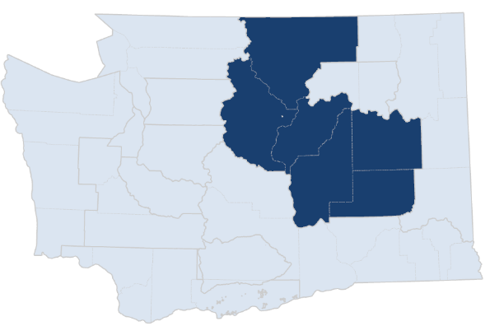 Aging & Adult Care of Central Washington

Age | Number of persons . . . | 2025 | 2026 | 2027 | 2028 | 2029 | 2030 | 2031 | 2032 | 2033 | 2034 | 2035 | 2036 | 2037 | 2038 | 2039 | 2040 | Percent ↑
Any | Using SNF* services | 394 | 405 | 417 | 429 | 443 | 458 | 472 | 485 | 498 | 511 | 524 | 539 | 553 | 568 | 582 | 595 | 51%
 | Using in-home services | 2,299 | 2,326 | 2,355 | 2,384 | 2,415 | 2,450 | 2,481 | 2,509 | 2,534 | 2,559 | 2,588 | 2,619 | 2,651 | 2,685 | 2,717 | 2,750 | 20%
 | Using community residential services | 686 | 700 | 716 | 733 | 751 | 772 | 792 | 810 | 828 | 846 | 865 | 886 | 907 | 929 | 949 | 968 | 41%
18+ | With a disability | 22,683 | 23,009 | 23,314 | 23,611 | 23,919 | 24,292 | 24,605 | 24,877 | 25,116 | 25,347 | 25,612 | 25,864 | 26,114 | 26,368 | 26,616 | 26,868 | 18%
 | With cognitive impairment | 16,552 | 16,768 | 16,976 | 17,176 | 17,375 | 17,626 | 17,807 | 17,978 | 18,136 | 18,287 | 18,448 | 18,596 | 18,740 | 18,888 | 19,005 | 19,120 | 16%
 | With an IADL** difficulty | 16,469 | 16,699 | 16,915 | 17,126 | 17,341 | 17,601 | 17,808 | 17,992 | 18,156 | 18,312 | 18,487 | 18,649 | 18,809 | 18,970 | 19,119 | 19,271 | 17%
60+ | TOTAL | 80,243 | 81,455 | 82,538 | 83,588 | 84,723 | 86,278 | 87,513 | 88,485 | 89,265 | 89,992 | 90,924 | 91,818 | 92,701 | 93,585 | 94,457 | 95,383 | 19%
 | With a disability | 15,773 | 16,011 | 16,223 | 16,427 | 16,648 | 16,942 | 17,185 | 17,376 | 17,530 | 17,673 | 17,854 | 18,033 | 18,210 | 18,388 | 18,567 | 18,758 | 19%
...

PSA9
Persons Age 60+ Are Projected to Increase by 19% from 2025 to 2040
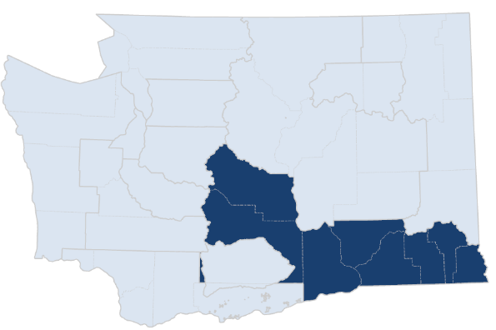 Southeast Washington Aging & Long Term Care

Age | Number of persons . . . | 2025 | 2026 | 2027 | 2028 | 2029 | 2030 | 2031 | 2032 | 2033 | 2034 | 2035 | 2036 | 2037 | 2038 | 2039 | 2040 | Percent ↑
Any | Using SNF* services | 808 | 822 | 838 | 856 | 875 | 897 | 917 | 936 | 954 | 972 | 991 | 1,011 | 1,030 | 1,050 | 1,069 | 1,087 | 35%
 | Using in-home services | 6,761 | 6,843 | 6,929 | 7,020 | 7,116 | 7,220 | 7,319 | 7,409 | 7,493 | 7,577 | 7,670 | 7,760 | 7,853 | 7,948 | 8,042 | 8,140 | 20%
 | Using community residential services | 1,880 | 1,913 | 1,948 | 1,986 | 2,027 | 2,072 | 2,116 | 2,157 | 2,197 | 2,237 | 2,279 | 2,322 | 2,366 | 2,410 | 2,454 | 2,497 | 33%
18+ | With a disability | 50,939 | 51,670 | 52,359 | 53,041 | 53,757 | 54,569 | 55,299 | 55,941 | 56,509 | 57,061 | 57,688 | 58,268 | 58,850 | 59,438 | 60,032 | 60,656 | 19%
 | With cognitive impairment | 41,000 | 41,566 | 42,124 | 42,672 | 43,219 | 43,781 | 44,250 | 44,704 | 45,129 | 45,534 | 45,963 | 46,381 | 46,790 | 47,204 | 47,582 | 47,985 | 17%
 | With an IADL** difficulty | 39,045 | 39,581 | 40,094 | 40,598 | 41,116 | 41,686 | 42,175 | 42,616 | 43,010 | 43,382 | 43,795 | 44,195 | 44,590 | 44,988 | 45,371 | 45,779 | 17%
60+ | TOTAL | 157,313 | 159,554 | 161,553 | 163,514 | 165,679 | 168,438 | 170,899 | 172,856 | 174,433 | 175,901 | 177,788 | 179,691 | 181,610 | 183,558 | 185,605 | 187,807 | 19%
 | With a disability | 34,202 | 34,695 | 35,135 | 35,566 | 36,040 | 36,640 | 37,174 | 37,599 | 37,944 | 38,264 | 38,672 | 39,082 | 39,495 | 39,913 | 40,351 | 40,823 | 19%
...

PSA10
Persons Age 60+ Are Projected to Increase by 34% from 2025 to 2040
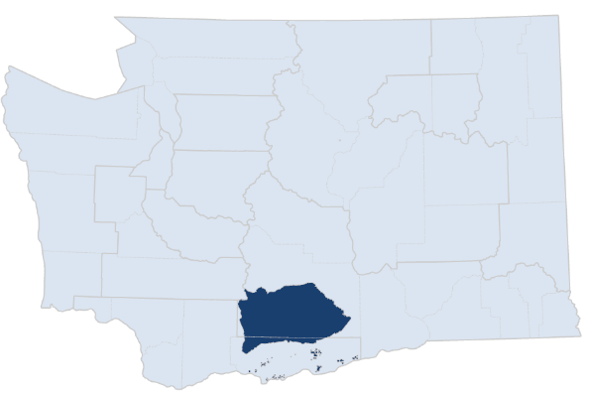 Yakama Nation Area Agency on Aging

Age | Number of persons . . . | 2025 | 2026 | 2027 | 2028 | 2029 | 2030 | 2031 | 2032 | 2033 | 2034 | 2035 | 2036 | 2037 | 2038 | 2039 | 2040 | Percent ↑
Any | Using SNF* services | 110 | 113 | 117 | 120 | 123 | 126 | 129 | 132 | 135 | 138 | 141 | 144 | 147 | 149 | 152 | 156 | 41%
 | Using in-home services | 307 | 314 | 321 | 329 | 336 | 343 | 350 | 356 | 362 | 368 | 375 | 380 | 386 | 392 | 398 | 405 | 32%
 | Using community residential services | 9 | 9 | 10 | 10 | 10 | 10 | 11 | 11 | 11 | 12 | 12 | 12 | 12 | 12 | 13 | 13 | 41%
18+ | With a disability | 2,391 | 2,437 | 2,481 | 2,524 | 2,568 | 2,615 | 2,659 | 2,700 | 2,736 | 2,772 | 2,812 | 2,849 | 2,886 | 2,924 | 2,962 | 3,001 | 25%
 | With cognitive impairment | 1,709 | 1,744 | 1,778 | 1,812 | 1,846 | 1,878 | 1,907 | 1,937 | 1,966 | 1,994 | 2,023 | 2,049 | 2,074 | 2,101 | 2,125 | 2,150 | 26%
 | With an IADL** difficulty | 1,494 | 1,525 | 1,554 | 1,584 | 1,613 | 1,643 | 1,673 | 1,700 | 1,726 | 1,751 | 1,778 | 1,804 | 1,830 | 1,857 | 1,883 | 1,910 | 28%
60+ | TOTAL | 5,906 | 6,039 | 6,159 | 6,275 | 6,399 | 6,547 | 6,707 | 6,844 | 6,961 | 7,071 | 7,203 | 7,344 | 7,485 | 7,630 | 7,779 | 7,929 | 34%
 | With a disability | 1,419 | 1,447 | 1,472 | 1,496 | 1,522 | 1,553 | 1,587 | 1,615 | 1,638 | 1,660 | 1,688 | 1,716 | 1,745 | 1,775 | 1,805 | 1,836 | 29%
...

PSA11
Persons Age 60+ Are Projected to Increase by 17% from 2025 to 2040
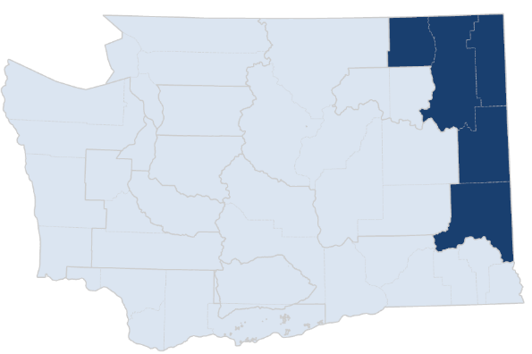 Aging & Long Term Care of Eastern Washington

Age | Number of persons . . . | 2025 | 2026 | 2027 | 2028 | 2029 | 2030 | 2031 | 2032 | 2033 | 2034 | 2035 | 2036 | 2037 | 2038 | 2039 | 2040 | Percent ↑
Any | Using SNF* services | 977 | 994 | 1,013 | 1,032 | 1,054 | 1,079 | 1,104 | 1,127 | 1,149 | 1,171 | 1,194 | 1,218 | 1,242 | 1,266 | 1,289 | 1,313 | 34%
 | Using in-home services | 6,331 | 6,389 | 6,448 | 6,508 | 6,571 | 6,639 | 6,710 | 6,771 | 6,826 | 6,881 | 6,942 | 7,003 | 7,067 | 7,132 | 7,195 | 7,262 | 15%
 | Using community residential services | 3,314 | 3,363 | 3,414 | 3,468 | 3,526 | 3,588 | 3,653 | 3,713 | 3,770 | 3,826 | 3,885 | 3,945 | 4,005 | 4,066 | 4,124 | 4,183 | 26%
18+ | With a disability | 53,719 | 54,433 | 55,090 | 55,728 | 56,389 | 57,144 | 57,843 | 58,435 | 58,952 | 59,451 | 60,011 | 60,505 | 60,994 | 61,474 | 61,952 | 62,457 | 16%
 | With cognitive impairment | 42,669 | 43,144 | 43,596 | 44,028 | 44,448 | 44,881 | 45,283 | 45,659 | 46,010 | 46,345 | 46,682 | 47,047 | 47,408 | 47,761 | 48,077 | 48,412 | 13%
 | With an IADL** difficulty | 43,197 | 43,708 | 44,182 | 44,637 | 45,094 | 45,600 | 46,068 | 46,477 | 46,842 | 47,188 | 47,560 | 47,923 | 48,278 | 48,623 | 48,946 | 49,292 | 14%
60+ | TOTAL | 175,933 | 178,438 | 180,629 | 182,745 | 185,047 | 187,955 | 190,563 | 192,575 | 194,164 | 195,632 | 197,518 | 199,077 | 200,606 | 202,112 | 203,684 | 205,419 | 17%
 | With a disability | 35,920 | 36,435 | 36,884 | 37,318 | 37,788 | 38,381 | 38,908 | 39,315 | 39,636 | 39,933 | 40,313 | 40,632 | 40,943 | 41,249 | 41,566 | 41,916 | 17%
...

PSA12
Persons Age 60+ Are Projected to Increase by 9% from 2025 to 2040
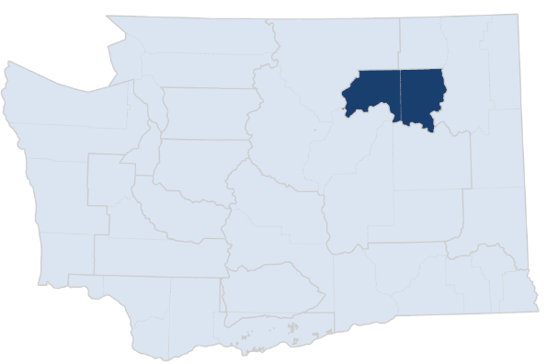 Colville Indian Area Agency on Aging

Age | Number of persons . . . | 2025 | 2026 | 2027 | 2028 | 2029 | 2030 | 2031 | 2032 | 2033 | 2034 | 2035 | 2036 | 2037 | 2038 | 2039 | 2040 | Percent ↑
Any | Using SNF* services | 18 | 19 | 19 | 20 | 20 | 20 | 21 | 21 | 21 | 21 | 22 | 22 | 22 | 22 | 22 | 23 | 24%
 | Using in-home services | 80 | 82 | 83 | 84 | 85 | 86 | 87 | 88 | 89 | 89 | 90 | 91 | 92 | 93 | 94 | 95 | 18%
 | Using community residential services | 1 | 1 | 1 | 1 | 1 | 1 | 1 | 1 | 1 | 1 | 1 | 1 | 1 | 1 | 1 | 1 | 24%
18+ | With a disability | 755 | 765 | 773 | 782 | 790 | 798 | 806 | 813 | 819 | 825 | 831 | 835 | 839 | 843 | 848 | 853 | 13%
 | With cognitive impairment | 466 | 470 | 474 | 478 | 482 | 485 | 488 | 491 | 493 | 496 | 498 | 501 | 503 | 505 | 507 | 509 | 9%
 | With an IADL** difficulty | 454 | 458 | 463 | 467 | 471 | 475 | 479 | 482 | 485 | 488 | 492 | 494 | 497 | 499 | 501 | 504 | 11%
60+ | TOTAL | 1,922 | 1,947 | 1,969 | 1,989 | 2,009 | 2,035 | 2,053 | 2,064 | 2,070 | 2,074 | 2,083 | 2,086 | 2,089 | 2,092 | 2,095 | 2,102 | 9%
 | With a disability | 519 | 527 | 533 | 540 | 547 | 555 | 560 | 564 | 566 | 568 | 571 | 572 | 573 | 574 | 575 | 577 | 11%
...

PSA13
Persons Age 60+ Are Projected to Increase by 16% from 2025 to 2040
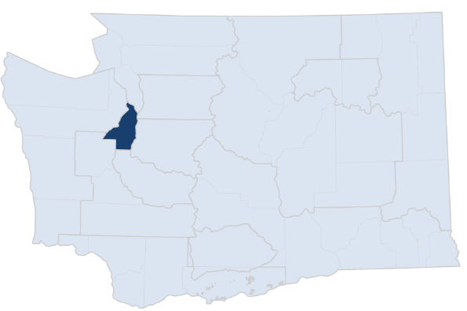 Kitsap County Division of Aging & Long Term Care

Age | Number of persons . . . | 2025 | 2026 | 2027 | 2028 | 2029 | 2030 | 2031 | 2032 | 2033 | 2034 | 2035 | 2036 | 2037 | 2038 | 2039 | 2040 | Percent ↑
Any | Using SNF* services | 449 | 462 | 474 | 488 | 503 | 519 | 533 | 546 | 558 | 571 | 584 | 600 | 616 | 631 | 646 | 661 | 47%
 | Using in-home services | 1,609 | 1,623 | 1,636 | 1,650 | 1,664 | 1,680 | 1,693 | 1,703 | 1,712 | 1,722 | 1,732 | 1,745 | 1,758 | 1,771 | 1,783 | 1,796 | 12%
 | Using community residential services | 527 | 537 | 546 | 557 | 568 | 580 | 590 | 599 | 607 | 616 | 625 | 635 | 646 | 657 | 667 | 678 | 28%
18+ | With a disability | 20,543 | 20,797 | 21,021 | 21,238 | 21,465 | 21,732 | 21,944 | 22,110 | 22,247 | 22,377 | 22,529 | 22,670 | 22,803 | 22,929 | 23,056 | 23,196 | 13%
 | With cognitive impairment | 14,673 | 14,814 | 14,941 | 15,061 | 15,179 | 15,308 | 15,428 | 15,533 | 15,629 | 15,718 | 15,807 | 15,919 | 16,027 | 16,130 | 16,220 | 16,318 | 11%
 | With an IADL** difficulty | 13,628 | 13,778 | 13,910 | 14,035 | 14,163 | 14,311 | 14,434 | 14,534 | 14,617 | 14,694 | 14,781 | 14,874 | 14,961 | 15,045 | 15,124 | 15,210 | 12%
60+ | TOTAL | 82,206 | 83,475 | 84,585 | 85,660 | 86,821 | 88,254 | 89,292 | 90,050 | 90,620 | 91,141 | 91,841 | 92,486 | 93,090 | 93,671 | 94,288 | 94,994 | 16%
 | With a disability | 14,844 | 15,078 | 15,283 | 15,483 | 15,696 | 15,958 | 16,144 | 16,281 | 16,384 | 16,479 | 16,605 | 16,722 | 16,831 | 16,935 | 17,044 | 17,170 | 16%
...

